Original data
id | date | other_data
1 | 2015-05-27 | …
1 | 2016-10-03 | …
1 | 2017-01-30 | …
1 | 2018-08-02 | …
2 | 2015-03-25 | …
2 | 2016-07-30 | …
3 | 2015-06-26 | …
3 | 2016-11-23 | …
3 | 2017-08-28 | …
4 | 2015-02-06 | …
5 | 2015-05-08 | …
5 | 2016-02-24 | …
5 | 2017-03-31 | …
6 | 2015-08-15 | …
6 | 2016-11-18 | …
Here is a set of data with multiple rows per patient. These are sorted within patient by date, but they could be sorted within patient by a different criteria. The question is: how can you select just the first row for each patient? For a small data set like this one, you could do it by hand, but it becomes more difficult when you have hundreds or thousands of patients.
Take a peek at each successive worksheet to see how to do this automoatically.
Note: this approach will only work if your data is sorted properly.
Also very important! Keep a backup of the original spreadsheet!

Step 1
first.formula | first.value | id | date | other_data
 |  | 1 | 2015-05-27 | …
 |  | 1 | 2016-10-03 | …
 |  | 1 | 2017-01-30 | …
 |  | 1 | 2018-08-02 | …
 |  | 2 | 2015-03-25 | …
 |  | 2 | 2016-07-30 | …
 |  | 3 | 2015-06-26 | …
 |  | 3 | 2016-11-23 | …
 |  | 3 | 2017-08-28 | …
 |  | 4 | 2015-02-06 | …
 |  | 5 | 2015-05-08 | …
 |  | 5 | 2016-02-24 | …
 |  | 5 | 2017-03-31 | …
 |  | 6 | 2015-08-15 | …
 |  | 6 | 2016-11-18 | …

Step 1. Insert a couple of columns to the left of all of your data. Label the one "first.formula" and the other "first.value".

Step 2
first.formula | first.value | id | date | other_data
0 |  | 1 | 2015-05-27 | …
1 |  | 1 | 2016-10-03 | …
1 |  | 1 | 2017-01-30 | …
1 |  | 1 | 2018-08-02 | …
0 |  | 2 | 2015-03-25 | …
1 |  | 2 | 2016-07-30 | …
0 |  | 3 | 2015-06-26 | …
1 |  | 3 | 2016-11-23 | …
1 |  | 3 | 2017-08-28 | …
0 |  | 4 | 2015-02-06 | …
0 |  | 5 | 2015-05-08 | …
1 |  | 5 | 2016-02-24 | …
1 |  | 5 | 2017-03-31 | …
0 |  | 6 | 2015-08-15 | …
1 |  | 6 | 2016-11-18 | …

Step 2. Insert the formula "=1*(c2=c1) in cell A2. Copy this formula into cells A3, A4, down to the last row that has data in column C.
Notice that this formula is zero for the first row of each patient and one for the other rows.

Step 3

first.formula | first.value | id | date | other_data
0 | 0 | 1 | 2015-05-27 | …
1 | 1 | 1 | 2016-10-03 | …
1 | 1 | 1 | 2017-01-30 | …
1 | 1 | 1 | 2018-08-02 | …
0 | 0 | 2 | 2015-03-25 | …
1 | 1 | 2 | 2016-07-30 | …
0 | 0 | 3 | 2015-06-26 | …
1 | 1 | 3 | 2016-11-23 | …
1 | 1 | 3 | 2017-08-28 | …
0 | 0 | 4 | 2015-02-06 | …
0 | 0 | 5 | 2015-05-08 | …
1 | 1 | 5 | 2016-02-24 | …
1 | 1 | 5 | 2017-03-31 | …
0 | 0 | 6 | 2015-08-15 | …
1 | 1 | 6 | 2016-11-18 | …

Step 3. You'd like to sort by column A to bring all the zeros (and thus the first rows) to the top of the sheet. But when you rearrange the rows, the formula gets corrupted. So you have to paste the values from column A to column B.

Step 4
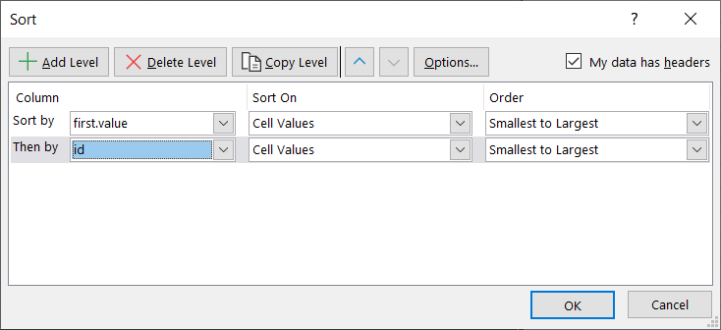
first.formula | first.value | id | date | other_data
0 | 0 | 1 | 2015-05-27 | …
0 | 0 | 2 | 2015-03-25 | …
0 | 0 | 3 | 2015-06-26 | …
0 | 0 | 4 | 2015-02-06 | …
0 | 0 | 5 | 2015-05-08 | …
0 | 0 | 6 | 2015-08-15 | …
0 | 1 | 1 | 2016-10-03 | …
1 | 1 | 1 | 2017-01-30 | …
1 | 1 | 1 | 2018-08-02 | …
0 | 1 | 2 | 2016-07-30 | …
0 | 1 | 3 | 2016-11-23 | …
1 | 1 | 3 | 2017-08-28 | …
0 | 1 | 5 | 2016-02-24 | …
1 | 1 | 5 | 2017-03-31 | …
0 | 1 | 6 | 2016-11-18 | …

Step 4. Now you can sort. Your data in column A (first.formula) is corrupted and no longer designates whether a measurement represented the first row for a patient. But the data in column B (first.values) is static and does not get corrupted.
Sort by first.value and then by id. You are almost done.

Step 5
first.formula | first.value | id | date | other_data
0 | 0 | 1 | 2015-05-27 | …
0 | 0 | 2 | 2015-03-25 | …
0 | 0 | 3 | 2015-06-26 | …
0 | 0 | 4 | 2015-02-06 | …
0 | 0 | 5 | 2015-05-08 | …
0 | 0 | 6 | 2015-08-15 | …

Step 5. Delete all the rows with first.value not equal to zero. Optionally, you can clean up by removing columns A and B.

